Instructions
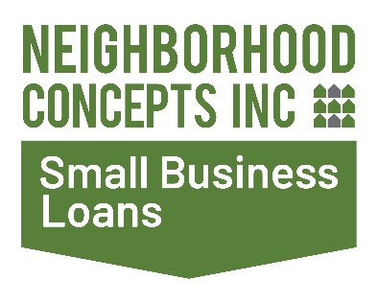

Thank you for your interest in applying for a business loan from North Alabama Revolving Loan Fund, LLC (NARLF). NARLF provides loans ranging from $5,000 to $250,000 to small businesses and non-profit organizations in north Alabama. Eligible uses include: machinery & equipment; working capital; leasehold improvements; real estate acquisitions or rehab; business acquisitions and the refinance of high-interest debt.

APPLICATION INSTRUCTIONS

The application is available in Excel spreadsheet format, but may also be completed by hand.

Please complete the following tabs: |  | ADDITIONAL INSTRUCTIONS FOR EXCEL
1. Application for Business Loan | 4. Operating Pro Forma | The spreadsheet will automatically calculate and populate certain fields. Please only complete the cells highlighted in blue
2. Personal Financial Statement * | 5. Monthly Pro Forma
3. Source & Use of Funds Statement

*All persons owning 20% ≥ of the business must complete the PFS tab. Extra PFS tabs are available at the end of the application

In addition to the completed application, NARLF will also need the following documents
•The last two years of Federal tax returns, both business and personal, if applicable
•Balance Sheet & Income Statement for business (most recent month-end YTD and previous three years, if applicable)
•Business Plan
•Management Resume(s)
Fees
•Application Fee of $150.00 includes credit report fee for 1 owner. Please add $25.00 for each additional owner w/≥20% ownership
•Origination fee equal to 2% of loan amount, but not less than $100.00, payable at closing
•Closing Costs include a minimum $350.00 legal fee
•Origination fee & closing costs may be financed into the loan

Applications will not be considered until all items, including the application fee, have been received. Application materials may be submitted electronically at

https://neighborhoodconcepts.org/capital/narlf-application
Please keep in mind there may be additional documentation requested throughout the underwriting process
APPLICATION PROCESS AND APPROVAL
Initial Inquiry
A teleconference will be scheduled to discuss the business and your financing need. Please be prepared to discuss the business functions and operations, as well as your personal commitment to the business. This initial conversation will help determine if your needs align with our borrowing structure and if we are a good fit for you.

Application
Upon receipt and review of all application materials, a meeting will be scheduled to talk further about our lending process and your expectations, and to discuss any questions that you might have or that might have arisen from our review of the application materials.

Loan Decision
Once a loan decision has been made, your loan officer will contact you. If approved, you will receive a Commitment Letter outlining the loan amount as well as the terms and conditions of approval.

Loan Closing
Closing typically occurs within 30 days of NARLF's receipt of a fully executed Commitment Letter signed by all owners with ≥20% ownership and satisfaction of any conditions to closing. All ≥20% owners and any guarantors must be present at closing.

Loan Payment
All loan payments will be received via Automated Clearing House (ACH) via My Loan Panel, an online portal. ACH is an electronic payment system that automatically debits monthly loan payments from borrower's business or personal checking accounts on the first (1st) day of each month.

